ROUND 13
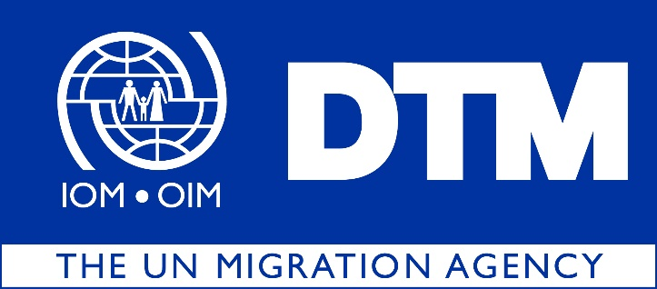

IOM is pleased to share with you the latest Return Index Dataset Round 13, covering the months of August and September 2021
 | During this round of data collection, DTM has identified 4,934,946 returnees (822,491 households), dispersed across 8 governorates, 38 districts and 2,157 locations in Iraq.

 |  | The Return Index is a tool designed to measure the severity of conditions in locations of return. The Return Index is built on a list of indicators developed to reflect the displacement context in Iraq. It is based on 16 indicators grouped into two scales: Scale 1, on livelihoods and basic services, and Scale 2, centered around social cohesion and safety perceptions. The scores of the index, scales and all answers are grouped into three categories of severity: ‘low’, ‘medium’ and ‘high’.

 |  | Out of the 2,157 return locations assessed, 453 present severe conditions hosting 12 per cent of the returnee population or 592,932 individuals. As in the previous round, Ninewa and Salah al-Din remain the governorates hosting the highest number of returnees living in severe conditions, with 256,800 and 202,320 individuals respectively.

