SADD & Groups Specific Needs
Unique ID | Dissemination Category | Instructions for the Form | Information Need | Type of Question | Question Text | Response Options | Preconditions for Data Collection | Recommended Source of information | Example of Visualization | Example of Descriptive Analysis | Example of Use that can be done by Data Users (eg, Clusters, WGs…) | Dataset of Interest for: | Dataset of Interest for: AAP, PSEA & CWC | Dataset of Interest for: CASH | Dataset of Interest for: CCCM | Dataset of Interest for: Child Protection | Dataset of Interest for: Education | Dataset of Interest for: Food Security | Dataset of Interest for: GBV | Dataset of Interest for: Health | Dataset of Interest for: Livelihood | Dataset of Interest for: Mental Health and Psychosocial Support | Dataset of Interest for: Nutrition | Dataset of Interest for: Protection | Dataset of Interest for: Shelter & NFIs | Dataset of Interest for: WASH | Dataset of Interest for: Specific Audience
M0491 | Public |  | Males <1 | Recommended by Cluster/WG/AoR | Number of [population group] Males by age: <1 year | [integer] | collect if it is feasible (e.g., a list is used), if not, collect 4 groups below (men, women, boys and girls) | Site Management |  | population pyramid |  | CCCM Child Protection Education Food Security GBV Health Livelihood Mental Health/PSS Nutrition Protection Shelter & NFIs WASH |  |  | CCCM | Child Protection | Education | Food Security | GBV | Health | Livelihood | Mental Health/PSS | Nutrition | Protection | Shelter & NFIs | WASH
M0492 | Public |  | Males 1-5 | Recommended by Cluster/WG/AoR | Number of [population group] Males by age: 1-5 years | [integer] | collect if it is feasible (e.g., a list is used), if not collect 4 groups below (men, women, boys and girls) | Site Management |  | population pyramid |  | CCCM Child Protection Education Food Security GBV Health Livelihood Mental Health/PSS Nutrition Protection Shelter & NFIs WASH |  |  | CCCM | Child Protection | Education | Food Security | GBV | Health | Livelihood | Mental Health/PSS | Nutrition | Protection | Shelter & NFIs | WASH
M0493 | Public |  | Males 6-12 | Recommended by Cluster/WG/AoR | Number of [population group] Males by age: 6 - 12 years | [integer] | collect if it is feasible (e.g., a list is used), if not collect 4 groups below (men, women, boys and girls) | Site Management |  | population pyramid |  | CCCM Child Protection Education Food Security GBV Health Livelihood Mental Health/PSS Nutrition Protection Shelter & NFIs WASH |  |  | CCCM | Child Protection | Education | Food Security | GBV | Health | Livelihood | Mental Health/PSS | Nutrition | Protection | Shelter & NFIs | WASH
M0494 | Public |  | Males 13-17 | Recommended by Cluster/WG/AoR | Number of [population group] Males by age: 13-17 years | [integer] | collect if it is feasible (e.g., a list is used), if not collect 4 groups below (men, women, boys and girls) | Site Management |  | population pyramid |  | CCCM Child Protection Education Food Security GBV Health Livelihood Mental Health/PSS Nutrition Protection Shelter & NFIs WASH |  |  | CCCM | Child Protection | Education | Food Security | GBV | Health | Livelihood | Mental Health/PSS | Nutrition | Protection | Shelter & NFIs | WASH
M0495 | Public |  | Males 18-24 | Recommended by Cluster/WG/AoR | Number of [population group] Males by age: 18-24 years | [integer] | collect if it is feasible (e.g., a list is used), if not collect 4 groups below (men, women, boys and girls) | Site Management |  | population pyramid |  | CCCM Child Protection Education Food Security GBV Health Livelihood Mental Health/PSS Nutrition Protection Shelter & NFIs WASH |  |  | CCCM | Child Protection | Education | Food Security | GBV | Health | Livelihood | Mental Health/PSS | Nutrition | Protection | Shelter & NFIs | WASH
M0496 | Public |  | Males 25-59 | Recommended by Cluster/WG/AoR | Number of [population group] Males by age: 25-59 years | [integer] | collect if it is feasible (e.g., a list is used), if not collect 4 groups below (men, women, boys and girls) | Site Management |  | population pyramid |  | CCCM Child Protection Education Food Security GBV Health Livelihood Mental Health/PSS Nutrition Protection Shelter & NFIs WASH |  |  | CCCM | Child Protection | Education | Food Security | GBV | Health | Livelihood | Mental Health/PSS | Nutrition | Protection | Shelter & NFIs | WASH
M0497 | Public |  | Males above 60 | Recommended by Cluster/WG/AoR | Number of [population group] Males by age: >60 years | [integer] | collect if it is feasible (e.g., a list is used), if not collect 4 groups below (men, women, boys and girls) | Site Management |  | population pyramid |  | CCCM Child Protection Education Food Security GBV Health Livelihood Mental Health/PSS Nutrition Protection Shelter & NFIs WASH |  |  | CCCM | Child Protection | Education | Food Security | GBV | Health | Livelihood | Mental Health/PSS | Nutrition | Protection | Shelter & NFIs | WASH
M0498 | Public |  | Females <1 | Recommended by Cluster/WG/AoR | Number of [population group] Females by age: <1 year | [integer] | collect if it is feasible (e.g., a list is used), if not collect 4 groups below (men, women, boys and girls) | Site Management |  | population pyramid |  | CCCM Child Protection Education Food Security GBV Health Livelihood Mental Health/PSS Nutrition Protection Shelter & NFIs WASH |  |  | CCCM | Child Protection | Education | Food Security | GBV | Health | Livelihood | Mental Health/PSS | Nutrition | Protection | Shelter & NFIs | WASH
M0499 | Public |  | Females 1-5 | Recommended by Cluster/WG/AoR | Number of [population group] Females by age: 1-5 years | [integer] | collect if it is feasible (e.g., a list is used), if not collect 4 groups below (men, women, boys and girls) | Site Management |  | population pyramid |  | CCCM Child Protection Education Food Security GBV Health Livelihood Mental Health/PSS Nutrition Protection Shelter & NFIs WASH |  |  | CCCM | Child Protection | Education | Food Security | GBV | Health | Livelihood | Mental Health/PSS | Nutrition | Protection | Shelter & NFIs | WASH
M0500 | Public |  | Females 6-12 | Recommended by Cluster/WG/AoR | Number of [population group] Females by age: 6-12 years | [integer] | collect if it is feasible (e.g., a list is used), if not collect 4 groups below (men, women, boys and girls) | Site Management |  | population pyramid |  | CCCM Child Protection Education Food Security GBV Health Livelihood Mental Health/PSS Nutrition Protection Shelter & NFIs WASH |  |  | CCCM | Child Protection | Education | Food Security | GBV | Health | Livelihood | Mental Health/PSS | Nutrition | Protection | Shelter & NFIs | WASH
M0501 | Public |  | Females 13-17 | Recommended by Cluster/WG/AoR | Number of [population group] Females by age: 13-17 years | [integer] | collect if it is feasible (e.g., a list is used), if not collect 4 groups below (men, women, boys and girls) | Site Management |  | population pyramid |  | CCCM Child Protection Education Food Security GBV Health Livelihood Mental Health/PSS Nutrition Protection Shelter & NFIs WASH |  |  | CCCM | Child Protection | Education | Food Security | GBV | Health | Livelihood | Mental Health/PSS | Nutrition | Protection | Shelter & NFIs | WASH
M0502 | Public |  | Females 18-24 | Recommended by Cluster/WG/AoR | Number of [population group] Females by age: 18-24 years | [integer] | collect if it is feasible (e.g., a list is used), if not collect 4 groups below (men, women, boys and girls) | Site Management |  | population pyramid |  | CCCM Child Protection Education Food Security GBV Health Livelihood Mental Health/PSS Nutrition Protection Shelter & NFIs WASH |  |  | CCCM | Child Protection | Education | Food Security | GBV | Health | Livelihood | Mental Health/PSS | Nutrition | Protection | Shelter & NFIs | WASH
M0503 | Public |  | Females 25-59 | Recommended by Cluster/WG/AoR | Number of [population group] Females by age: 25-59 years | [integer] | collect if it is feasible (e.g., a list is used), if not collect 4 groups below (men, women, boys and girls) | Site Management |  | population pyramid |  | CCCM Child Protection Education Food Security GBV Health Livelihood Mental Health/PSS Nutrition Protection Shelter & NFIs WASH |  |  | CCCM | Child Protection | Education | Food Security | GBV | Health | Livelihood | Mental Health/PSS | Nutrition | Protection | Shelter & NFIs | WASH
M0504 | Public |  | Females above 60 | Recommended by Cluster/WG/AoR | Number of [population group] Females by age: >60 years | [integer] | collect if it is feasible (e.g., a list is used), if not collect 4 groups below (men, women, boys and girls) | Site Management |  | population pyramid |  | CCCM Child Protection Education Food Security GBV Health Livelihood Mental Health/PSS Nutrition Protection Shelter & NFIs WASH |  |  | CCCM | Child Protection | Education | Food Security | GBV | Health | Livelihood | Mental Health/PSS | Nutrition | Protection | Shelter & NFIs | WASH
M0505 | Public |  | Count of IDP children (boys) | optional | Total number of [population group] Male Individuals under 18 years old | [integer] | collect if list does not exist /it is not feasible to collect age and sex brackets | Site Management |  |  |  | CCCM Child Protection Education Food Security GBV Health Livelihood Mental Health/PSS Nutrition Protection Shelter & NFIs WASH |  |  | CCCM | Child Protection | Education | Food Security | GBV | Health | Livelihood | Mental Health/PSS | Nutrition | Protection | Shelter & NFIs | WASH
M0506 | Public |  | Count of IDP children (girls) | optional | Total Number of [population group] Female Individuals under 18 years old | [integer] | collect if list does not exist /it is not feasible to collect age and sex brackets | Site Management |  |  |  | CCCM Child Protection Education Food Security GBV Health Livelihood Mental Health/PSS Nutrition Protection Shelter & NFIs WASH |  |  | CCCM | Child Protection | Education | Food Security | GBV | Health | Livelihood | Mental Health/PSS | Nutrition | Protection | Shelter & NFIs | WASH
M0507 | Public |  | Count of IDP adults (men) | optional | Total Number of [population group] men (males 18 years or above) | [integer] | collect if list does not exist /it is not feasible to collect age and sex brackets | Site Management |  |  |  | CCCM Child Protection Education Food Security GBV Health Livelihood Mental Health/PSS Nutrition Protection Shelter & NFIs WASH |  |  | CCCM | Child Protection | Education | Food Security | GBV | Health | Livelihood | Mental Health/PSS | Nutrition | Protection | Shelter & NFIs | WASH
M0508 | Public |  | Count of IDP adults (women) | optional | Total number of [population group] women (females 18 years or above) | [integer] | collect if list does not exist /it is not feasible to collect age and sex brackets | Site Management |  |  |  | CCCM Child Protection Education Food Security GBV Health Livelihood Mental Health/PSS Nutrition Protection Shelter & NFIs WASH |  |  | CCCM | Child Protection | Education | Food Security | GBV | Health | Livelihood | Mental Health/PSS | Nutrition | Protection | Shelter & NFIs | WASH
M0509 | Public |  | Count of IDP children (total) | optional | Total Number of [population group] Individuals under 18 years old | [integer] | NOT reccommended by clusters. Only us this if it is not feasible to collect boys and girls and aim at break down, by asking KI to collect it for next round | Site Management |  |  |  | CCCM Child Protection Education Food Security GBV Health Livelihood Mental Health/PSS Nutrition Protection Shelter & NFIs WASH |  |  | CCCM | Child Protection | Education | Food Security | GBV | Health | Livelihood | Mental Health/PSS | Nutrition | Protection | Shelter & NFIs | WASH
M0511 | confidential | select all that apply | Groups with specific needs | Recommended by Cluster/WG/AoR | Groups of people with specific needs living in the location: | minors under 18 years who are not living with their parents, however are living with other relatives; minors under 18 years who are living with no mother, no father nor any other adult relative; child-headed households (a household with adults who are unable to be the primary caretakers/livelihoods generators for the household, and in which a child under the age of 18 assumes this responsibility); pregnant female under 18 years; mothers under 18 years; persons with known or visible mental and/or physical disabilityg; pregnant women 18 years or over; breastfeeding mothers; single female-headed households; single male-headed households; elderly-headed households (head of household is over 60); Persons with Chronic Diseases or Serious Medical Conditionsm; Elderly Persons without care givers/ unaccompanied; widows (female whose husband has died); widowers (male whose wife has died); minors under 18 years whose both parents have died; minority groups (check if appropriate before including); others (Specify) | To be used as an introductury questions before asking about estimates. Identify list of vulnerable groups with protection cluster in this context and amend answers accrodingly. Always include others (specify) and do not know/no answer | Service providers for these groups |  |  |  | CCCM Child Protection Education Food Security GBV Health Livelihood Mental Health/PSS Nutrition Protection Shelter & NFIs WASH |  |  | CCCM | Child Protection | Education | Food Security | GBV | Health | Livelihood | Mental Health/PSS | Nutrition | Protection | Shelter & NFIs | WASH
M0512 | confidential |  | # with physical or mental disabilities | optional | Number of persons with known or visible physical and/or mental disabilities | [integer] | agree with protection cluster if this is useful. | service provider |  | number of people with specific needs: |  | CCCM Child Protection Education Food Security GBV Health Livelihood Mental Health/PSS Protection Shelter & NFIs WASH Handicap International |  |  | CCCM | Child Protection | Education | Food Security | GBV | Health | Livelihood | Mental Health/PSS |  | Protection | Shelter & NFIs | WASH | Handicap International
M0513 | confidential |  | # separated children | Recommended by Cluster/WG/AoR | How many minors under 18 years are not living with their parents, however are living with other relatives? (separated children) | [integer] | SENSITIVE - PRECONDITION: Speak to CP specialist before adding this question | service provider |  | number of people with specific needs: |  | CCCM Child Protection Education Food Security GBV Health Livelihood Mental Health/PSS Protection Shelter & NFIs WASH |  |  | CCCM | Child Protection | Education | Food Security | GBV | Health | Livelihood | Mental Health/PSS |  | Protection | Shelter & NFIs | WASH
M0514 | confidential |  | # child-headed HH | Recommended by Cluster/WG/AoR | Number of child-headed households (see Precondition for definition) | [integer] | SENSITIVE PRECONDITION: Speak to CP specialist before adding this question- child -headed HH s a household without adults or with adults who are unable to be the primary caretakers/livelihoods generators for the household, and in which a child under the age of 18 assumes this responsibility. | service provider |  | number of people with specific needs: |  | CCCM Child Protection Education Food Security GBV Health Livelihood Mental Health/PSS Protection Shelter & NFIs WASH |  |  | CCCM | Child Protection | Education | Food Security | GBV | Health | Livelihood | Mental Health/PSS |  | Protection | Shelter & NFIs | WASH
M0515 | confidential |  | Pregnant women (below 18) | optional | Number of pregnant women under 18 years | [integer] | Agree with Protection if this is useful | service provider |  | number of people with specific needs: |  | CCCM Child Protection Education Food Security GBV Health Livelihood Mental Health/PSS Protection Shelter & NFIs WASH |  |  | CCCM | Child Protection | Education | Food Security | GBV | Health | Livelihood | Mental Health/PSS |  | Protection | Shelter & NFIs | WASH
M0516 | confidential |  | Mothers (below 18) | optional | Number of mothers under 18 years | [integer] | Agree with Protection and Child Protection if this is useful | service provider |  | number of people with specific needs: |  | CCCM Child Protection Education Food Security GBV Health Livelihood Mental Health/PSS Protection Shelter & NFIs WASH |  |  | CCCM | Child Protection | Education | Food Security | GBV | Health | Livelihood | Mental Health/PSS |  | Protection | Shelter & NFIs | WASH
M0517 | confidential |  | Pregnant women (above 18) | optional | Number of pregnant women 18 years or over | [integer] | Agree with Nutrition, GBV and Protection if this is useful | service provider |  | number of people with specific needs: |  | CCCM Child Protection Education Food Security GBV Health Livelihood Mental Health/PSS Protection Shelter & NFIs WASH |  |  | CCCM | Child Protection | Education | Food Security | GBV | Health | Livelihood | Mental Health/PSS |  | Protection | Shelter & NFIs | WASH
M0518 | confidential |  | Breastfeeding mothers | optional | Number of breastfeeding mothers | [integer] | Agree with Nutrition, GBV and Protection if this is useful | service provider |  | number of people with specific needs: |  | CCCM Child Protection Education Food Security GBV Health Livelihood Mental Health/PSS Protection Shelter & NFIs WASH |  |  | CCCM | Child Protection | Education | Food Security | GBV | Health | Livelihood | Mental Health/PSS |  | Protection | Shelter & NFIs | WASH
M0519 | confidential |  | Single headed HH (female) | optional | Number of single female-headed households | [integer] | Agree with GBV and Protection if this is useful | service provider |  | number of people with specific needs: |  | CCCM Child Protection Education Food Security GBV Health Livelihood Mental Health/PSS Protection Shelter & NFIs WASH |  |  | CCCM | Child Protection | Education | Food Security | GBV | Health | Livelihood | Mental Health/PSS |  | Protection | Shelter & NFIs | WASH
M0520 | confidential |  | Single headed HH (male) | optional | Number of single male-headed households | [integer] | Agree with GBV and Protection if this is useful | service provider |  | number of people with specific needs: |  | CCCM Child Protection Education Food Security GBV Health Livelihood Mental Health/PSS Protection Shelter & NFIs WASH |  |  | CCCM | Child Protection | Education | Food Security | GBV | Health | Livelihood | Mental Health/PSS |  | Protection | Shelter & NFIs | WASH
M0521 | confidential |  | Elderly headed HH | optional | Number of elderly headed households | [integer] | Agree with GBV and Protection if this is useful | service provider |  | number of people with specific needs: |  | CCCM Child Protection Education Food Security GBV Health Livelihood Mental Health/PSS Protection Shelter & NFIs WASH HelpAge International |  |  | CCCM | Child Protection | Education | Food Security | GBV | Health | Livelihood | Mental Health/PSS |  | Protection | Shelter & NFIs | WASH | HelpAge International
M0522 | confidential |  | Chronic diseases/serious medical conditions | optional | Number of Persons with Chronic Diseases or Serious Medical Conditions | [integer] | discuss with protection and health cluster if it is useful. Global Health Cluster does not see the use | service provider |  | number of people with specific needs: |  | CCCM Child Protection Education Food Security GBV Health Livelihood Mental Health/PSS Protection Shelter & NFIs WASH |  |  | CCCM | Child Protection | Education | Food Security | GBV | Health | Livelihood | Mental Health/PSS |  | Protection | Shelter & NFIs | WASH
M0523 | confidential |  | Unaccompanied elderly | optional | Number of elderly persons without care givers /unaccompanied | [integer] | Agree with GBV and Protection if this is useful | service provider |  | number of people with specific needs: |  | CCCM Child Protection Education Food Security GBV Health Livelihood Mental Health/PSS Protection Shelter & NFIs WASH HelpAge International |  |  | CCCM | Child Protection | Education | Food Security | GBV | Health | Livelihood | Mental Health/PSS |  | Protection | Shelter & NFIs | WASH | HelpAge International
M0524 | confidential |  | Widowers | optional | Number of widows (females) | [integer] | Agree with GBV and Protection if this is useful | service provider |  | number of people with specific needs: |  | CCCM Child Protection Education Food Security GBV Health Livelihood Mental Health/PSS Protection Shelter & NFIs WASH |  |  | CCCM | Child Protection | Education | Food Security | GBV | Health | Livelihood | Mental Health/PSS |  | Protection | Shelter & NFIs | WASH
M0525 | confidential |  | Widows | optional | Number of widowers (males) | [integer] | Agree with GBV and Protection if this is useful | service provider |  | number of people with specific needs: |  | CCCM Child Protection Education Food Security GBV Health Livelihood Mental Health/PSS Protection Shelter & NFIs WASH |  |  | CCCM | Child Protection | Education | Food Security | GBV | Health | Livelihood | Mental Health/PSS |  | Protection | Shelter & NFIs | WASH
M0526 | confidential |  | Minors whose parents died | optional | Number of minors under 18 years whose parents have both died. | [integer] | Agree with GBV, CP and Protection if this is useful | service provider |  | number of people with specific needs: |  | CCCM Child Protection Education Food Security GBV Health Livelihood Mental Health/PSS Protection Shelter & NFIs WASH |  |  | CCCM | Child Protection | Education | Food Security | GBV | Health | Livelihood | Mental Health/PSS |  | Protection | Shelter & NFIs | WASH
M1042 | confidential |  | Unaccompanied children UAC | Recommended by Cluster/AoR for severity analysis | Approximately how many children under 18 years in this location living with no mother, no father or any other adult family members? | [integer] | If Child Protection field colleagues wants to use the Global Child Protection AoR analytical tool, all these questions are necessary. These questions can also be asked if the analytical tool will not be used. | Site Management, Child Protection actor, (women and man) members of residents committee, protection actors, education professional | 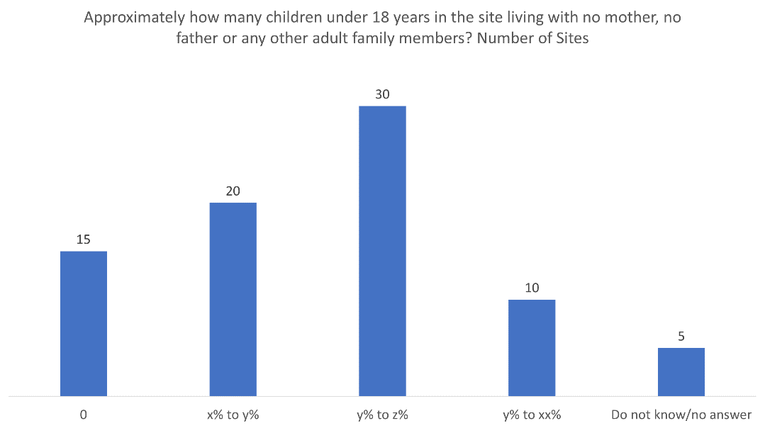 | number of people with specific needs: UAC | Severity Analysis tool developed by Global CP AoR | CCCM Child Protection GBV Protection |  |  | CCCM | Child Protection |  |  | GBV |  |  |  |  | Protection
M0061 | Public |  | Estimated number of Households in the location | Recommended by Cluster/WG/AoR | Estimated number of households in the location (including all populationg groups) | [integer] |  | Site Management |  |  | Number of HH is used for estimation of needs for any response designed at the HH level | CCCM Child Protection Education Food Security GBV Health Livelihood Mental Health/PSS Nutrition Protection Shelter & NFIs WASH |  |  | CCCM | Child Protection | Education | Food Security | GBV | Health | Livelihood | Mental Health/PSS | Nutrition | Protection | Shelter & NFIs | WASH
M0062 | Public | Replace [5] with the average HH composition used by Food Security, WASH, Shelter and NFIs clusters to design assistance packages; Select one | Most common size of a Household (HH) in the site | Recommended by Cluster/WG/AoR | What is the most common size of a household [of population group] in the location? | smaller than [5]; [5]; larger than [5]; do not know/no answer | Clarify with clusters if this is only needed for IDPs or for other groups | Shelter actor/Site Management | 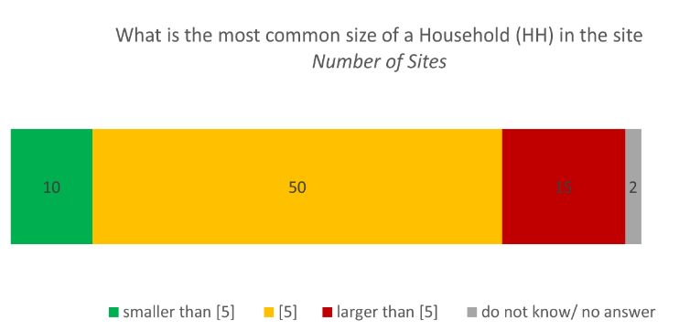 | According to KI, in xx assessed sites, the majority of HH are smaller than 5, the national average per HH. In xx sites, the majority of HH is larger than 5, while in yy sites it is smaller. in yy sites, KI could not answer | Size of HH is used for estimation of needs for any response designed at the HH level | CCCM Food Security Health Shelter & NFIs WASH |  |  | CCCM |  |  | Food Security |  | Health |  |  |  |  | Shelter & NFIs | WASH

